Sheet1
Index | name | Year | Authors | Affiliation | Publisher | Type (Journal/Conference) | Journal/Conference Name | Keyword of Topic | Paper Keywords | Gap | Sensors Types | pre-processing Techniques | Stages | Features | Figures | Datasets | Tools | Scenarios | Simulation/Hardware | KPIs | Setup | Problem | Objective | Contribution | Future Recommendations | Rating /5
1 | A review: Data pre-processing and data augmentation techniques | 2022 | Kiran Maharana Surajit Mondal Bhushankumar Nemade | Thakur College of Engineering and Technology, Mumbai University, India | Elsevier B.V. | Journal | Global Transitions Proceedings | Data pre-processing Data wraping Data augmentation Data cleaning | Data augmentation Data cleaning Data oversampling Data pre-processing Data wraping | "The issue with Data missing and significant differences in the variety of data always exists as the information is collected through multiple sources and from a real-world application." | No Sensors mentioned |  |  |  |  |  |  |  |  |  |  |  |  | "This paper discusses flipping, rotating with slight degrees and others to augment the image data and shows how to perform data augmentation methods without distorting the original data." |  | 2
2 | A Survey of Preprocessing Methods Used for Analysis of Big Data Originated From Smart Grids | 2022 | TURKI ALI ALGHAMDI NADEEM JAVAID | Department of Computer Science, College of Computer and Information Systems, Umm Al-Qura University, Makkah, Saudi Arabia Department of Computer Science, COMSATS University Islamabad (CUI), Islamabad, Pakistan School of Computer Science, University of Technology Sydney (UTS), Ultimo, NSW, Australia | IEEE | Journal | IEEE Access | Data preprocessing Integration Normalization Transformation | Data analytics Data preprocessing Integration Normalization Transformation smart grid smart meter | Despite the increasing importance of big data in smart grids (SG), handling and preprocessing this data remains a challenge. Existing studies focus on various aspects of SG a nalytics, but there is a lack of a comprehensive survey specifically addressing the preprocessing methods used to improve forecasting accuracy and data quality. Additionally, while various preprocessing techniques exist, their comparative effectiveness and suitability for different applications within SGs are not thoroughly analyzed. | No Sensors mentioned | A- DATA REDUCTION Feature Selection Mutual Information Principal Component Analysis B -DATA CLEANSING Clustering Regression Imputation Noise Removal C- Data Transformation Linear transformation | 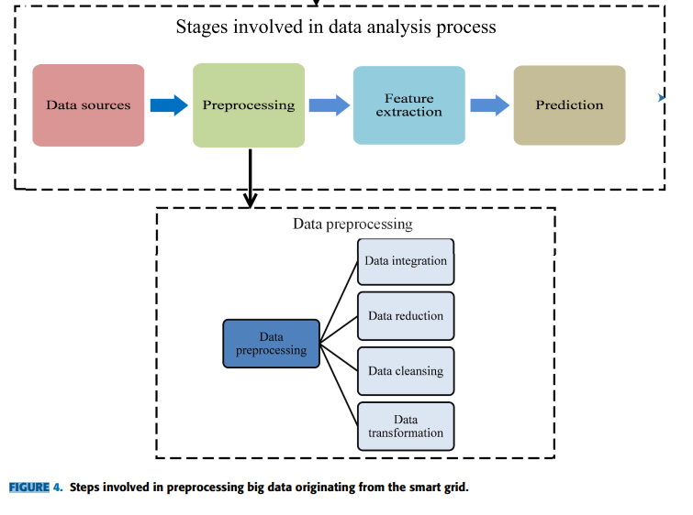 |  | 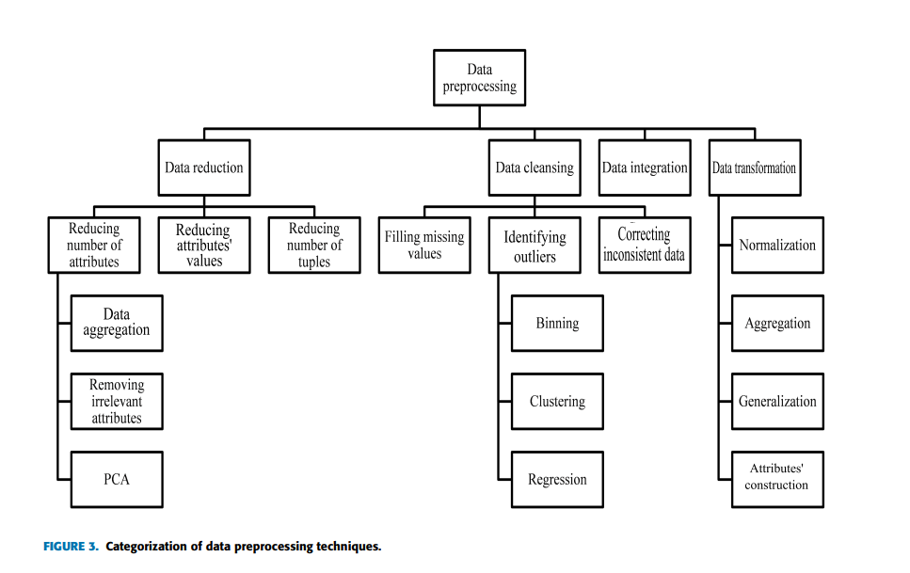 | data taken from multiple sources such as files, databases, etc., is initially integrated into a single source. |  |  |  |  |  | because of the government policies, high electricity generation and consumption costs, and other factors, the traditional grid cannot sufficiently meet electricity demand. The concept of a smart grid (SG) is introduced to address these problems. | This paper provides an overview of the data preprocessing methods and a detailed discussion of the methods used in the existing literature. A comparison of the methods is also given. A survey of closely related survey papers is also presented and the papers are compared based on their contributions. Moreover, based on the discussion of the data preprocessing methods, a narrative is built with a critical analysis. Finally, future research directions are discussed to guide the readers. | Survey of Preprocessing Methods: "This paper provides an overview of the data preprocessing methods and a detailed discussion of the methods used in the existing literature." Comparison with Existing Surveys: "A survey of closely related survey papers is also presented and the papers are compared based on their contributions." Critical Analysis: "Moreover, based on the discussion of the data preprocessing methods, a narrative is built with a critical analysis." Future Research Directions: "Finally, future research directions are discussed to guide the readers." | developing more efficient and scalable data preprocessing methods, including improved feature selection, data cleansing, and learning paradigms, to handle the increasing complexity and volume of big data. | 3
3 | Exploring the Unseen: A Survey of Multi-Sensor Fusion and the Role of Explainable AI (XAI) in Autonomous Vehicles | 2025 | De Jong Yeong Krishna Panduru Joseph Walsh | IMaR Research Centre, Munster Technological University, Tralee, Ireland School of Science, Technology, Engineering, and Mathematics, Munster Technological University, Tralee, Ireland Lero—The Science Foundation Ireland Research Centre for Software, Limerick, Ireland | MDPI | journal | Sensors | autonomous vehicle self-driving cars multi-sensor fusion camera lidar radar | autonomous vehicles; self-driving cars; multi-sensor fusion; explainability; explainable artificial intelligence (XAI); interpretability; perception; camera; lidar; radar | While multi-sensor fusion technologies have achieved significant advancement in improving AV perception, the lack of transparency and explainability in autonomous decision-making remains a primary challenge | vision cameras radar, ultrasonic sensors, and Lidars | Did not discuss any pre-processing, more focused on multi-sensor fusion | 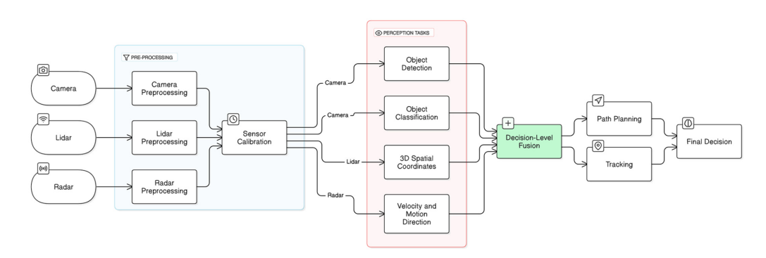 |  |  | did not discuss what kind of data was in the datasets |  |  |  |  |  | However, the complexity of multi-sensors often leads to a lack of transparency, posing challenges in terms of safety, accountability, and public trust | This review investigates the intersection of multi-sensor fusion and explainable artificial intelligence (XAI), aiming to address the challenges of implementing accurate and interpretable AV systems | "We systematically review cutting-edge multi-sensor fusion techniques, along with various explainability approaches, in the context of AV systems." "We conclude by underscoring the importance of developing techniques that ensure real-time explainability, specifically in high-stakes applications, to stakeholders without compromising safety and accuracy, as well as outlining future research directions aimed at bridging the gap between high-performance multi-sensor fusion and trustworthy explainability in autonomous driving systems." | A significant area of focus for future research involves the development of a unified context-aware evaluation framework for comparing and selecting interpretability techniques across multiple domains or, at a minimum, achieving uniformity within specialized areas. Another promising direction for future research involves integrating causal relationships into XAI, with the objective of enhancing the capability of AI systems to offer more comprehensive explanations for their decisions. | 2.5
4 | IN THE QUEST OF VISION‐SENSORS‐ON‐CHIP: PRE‐PROCESSING SENSORS FOR DATA REDUCTION | 2017 |  |  |  |  |  |  |  |  |  |  |  |  |  |  |  |  |  |  |  |  | This review is aimed at addressing the following questions: (i) what are the characteristics and relative performances of the various DEM fusion methods, including the strengths and weaknesses? (ii) what are the relevant pre-processing operations required for DEM fusion, (iii) what are the effects of DEM properties on the quality of fusion achieved, and (iv) what are the effects of terrain attributes/parameters on the fusion quality?
5 | A systematic review and meta-analysis of Digital elevation model (DEM) fusion: pre-processing, methods and applications | 2022 | Chukwuma J. Okolie Julian L. Smit | Division of Geomatics, School of Architecture Planning and Geomatics, Faculty of Engineering & the Built Environment, University of Cape Town, South Africa Department of Surveying & Geoinformatics, Faculty of Engineering, University of Lagos, Nigeria | Elsevier B.V | journal | ISPRS Journal of Photogrammetry and Remote Sensing | Data fusion Multi-sensor fusion LiDAR | Data fusion Remote sensing image fusion Multi-sensor fusion Digital elevation model fusion InSAR LiDAR Weight maps |  | LIDAR RADAR cameras ultrasonic sensors. | Preprocessing: The data from both LIDAR and RADAR are preprocessed to filter noise and align their coordinate systems. Did not mention any pre-processing teqchniques |  |  |  |  |  |  |  |  |  | The absence of a well-rounded and comprehensive review on the subject has limited the adequacy of knowledge for researchers
6 | Advance Obstacle Detection for Autonomous Vehicles Using Numerical Data from LIDAR and RADAR Sensor: A Machine Learning Approach | 2024 | Rabaya Akter Kaniz Fatema Oyshee Md Nagib Mahfuz Sunny PROMANANDA ROY Faysal Ahammed Md Faysal Refat | School of Computer Science, Nanjing University of Information Science & Technology, China Department of Computer Science and Engineering, North South University, Bangladesh Department of Engineering & Technology, Trine University, Detroit, USA School of Mechanical Engineering, Jiangsu University of Science and Technology,China School of Mechanical Engineering, Jiangsu University of Science and Technology, China Department of Electrical and Electronics Engineering, LEADING UNIVERSITY, Bangladesh | Novelty Journals | journal | Novel Research in Engineering and Science | Autonomous vehicles LIDAR RADAR Clustering algorithms. | Autonomous vehicles Obstacle detection Sensor fusion LIDAR RADAR Clustering algorithms. |  |  |  |  |  |  | no mentions of what datasets used |  |  |  |  |  | Despite significant advances in these areas, challenges remain in terms of improving detection accuracy, minimizing false positives, and ensuring realtime processing capabilities, especially in dynamic and cluttered environments. | 1. Enhance Detection Accuracy 2. Improve Clustering Performance 3. Achieve Real-time Processing 4. Validate in Real-world Scenarios | This paper presents a novel approach to improving obstacle detection by integrating LIDAR and RADAR data using a robust sensor fusion framework, along with advanced clustering algorithms such as DBSCAN. | Future work could focus on expanding the sensor fusion to include cameras and exploring deep learning techniques to improve obstacle recognition and classification. | 3.5
7 | A Survey of Automotive Radar and Lidar Signal Processing and Architectures | 2023 | Luigi Giuffrida Guido Masera Maurizio Martina | Department of Electronics and Telecommunications, Politecnico di Torino, 10129 Torino, Italy; | MDPI | journal | chips | automotive DSP ADAS sensors lidar radar | automotive DSP ADAS sensors lidar radar |  | Radar Lidar | No Pre-processing mentioned | no figures |  | no figures | no mentions of what datasets used |  |  |  |  |  | Due to ADAS’s intrinsic real-time performance requirements, it is almost mandatory to be aware of the processing algorithms required by radar and lidar to understand what can be optimized and what actions can be taken to approach the real-time requirement. | Present an overview of state-of-the-art radar and lidar technology. Analyze modulation schemes and imaging systems, highlighting strengths and weaknesses. Review sensor data processing algorithms and discuss hardware acceleration possibilities. Introduce basic concepts of sensor fusion. Provide a comparative analysis of radar and lidar. | Summarizes the latest radar and lidar advancements in ADAS. Identifies key challenges in real-time processing and optimization. Highlights hardware acceleration techniques for radar and lidar computation. Clarifies the strengths and weaknesses of radar and lidar technologies. Provides a structured comparison to aid future ADAS developments. | no future recommendation | 2
8 | Preprocessing Methods of Lane Detection and Tracking for Autonomous Driving | 2021 | Akram Heidarizadeh | College of Eng., University of Tehran Tehran, Iran | arXiv | ??? | ??? | Advanced Driver Assistance System Preprocessing Block Real Time Processing. | Advanced Driver Assistance System Lane Detection and Tracking Preprocessing Block Real Time Processing. | The paper highlights the lack of a unified and optimized preprocessing approach that effectively handles diverse environmental challenges such as lighting variations, shadows, and road conditions while maintaining real-time efficiency in lane detection systems. | Radar | 1-Image Smoothing Image smoothing is used to reduce noise and improve image quality. Median Filter Effective for removing salt-and-pepper noise (random white and black pixels). Gaussian Filter Helps in reducing high-frequency noise while preserving edges better than an average filter. Histogram Filter Can be used for equalization, which spreads pixel intensity more evenly. Dilation and Erosion Filters Dilation: Expands bright regions, making objects appear thicker. Erosion: Shrinks bright regions, removing small unwanted details. Used in morphological image processing for noise removal and feature enhancement. Average Filter Smooths the image but can blur edges more than a median or Gaussian filter. 2-Region of Interest (ROI) Selection Definition: Selecting a specific part of an image for processing while ignoring the rest. Purpose: Reduces computation time by focusing only on relevant areas Vanishing Point Extraction Definition: Finding the point in an image where parallel lines appear to converge. Purpose: Helps in estimating road direction, useful for autonomous driving and navigation. Perspective Analysis and Projective Model Perspective Analysis: Studies how objects appear smaller as they move further away in an image due to perspective distortion. Projective Model: A mathematical approach to correct perspective distortion using transformation matrices. Sub-Sampling Definition: Reducing image resolution by keeping only a subset of pixels. Purpose: Reduces data size and speeds up processing while preserving essential details. 3-Inverse Perspective Mapping (IPM) – Bird’s Eye View used to remove perspective distortion from an image, transforming it into a top-down (bird’s eye) view. This helps in applications like lane detection, obstacle avoidance, and autonomous navigation. 4-Segmentation . Edge-Based Segmentation This method detects object boundaries by identifying sharp intensity changes (edges) in an image. |  |  | no figures | no mentions of what datasets used |  |  |  |  |  | Images which are extracted from the video, contain noise and other unwanted factors such as variation in lightening, shadow from nearby objects and etc. that requires robust preprocessing methods for lane marking detection and tracking. | The aim of this article is to review and analyze preprocessing methods for lane marking detection and tracking in real-time, focusing on vision-based systems used in advanced driver assistance systems (ADAS). | Provides a comprehensive survey of preprocessing methods for lane detection and tracking. Emphasizes the critical role of preprocessing in enhancing the performance of real-time vision-based ADAS. Identifies key challenges in lane detection and suggests preprocessing techniques to mitigate these issues. Offers insights into how preprocessing can optimize real-time performance by reducing irrelevant image information and enhancing lane-related features. | not mentioned | 3
9 | Application of Image Processing Techniques for Autonomous Cars | 2020 | Shaun Fernandes Dhruv Duseja Raja Muthalagu | Department of Computer Science, Birla Institute of Technology and Science Pilani, Dubai Campus, Dubai, UAE | Taiwan Association of Engineering and Technology Innovation | Journal | Proceedings of Engineering and Technology Innovation | image processing autonomous cars self-driving object detection | image processing autonomous cars self-driving object detection | The implementation of the lane detection model has been created and was in a working state but was not integrated with the current model. It was designed to be used as an aid for a future autonomous car model that runs on real roads. This shows that while the system works, it has not been tested in a real-world autonomous vehicle. "Instead of using the conventional means of Canny edge detection, which many claim to be slower and at times inaccurate as a means of highlighting edges in the image, the team decided to use a spiking neural network." The paper acknowledges that spiking neural networks are more efficient but does not apply them in this work. "This work attempts to highlight the importance of autonomous cars which drastically increase road safety and improve the efficiency of driving compared to human drivers." However, the study primarily focuses on lane and stop sign detection, without deeper exploration of pedestrian and obstacle detection in dynamic environments. | optical interrupt sensors Arduino Camera | Grayscale Conversion – Converts the image from RGB to grayscale to reduce data size and improve efficiency. Yellow and White Filter – Filters lane markings by converting the image to HSV format and masking only white and yellow regions. Gaussian Blur – Applies a blur to smooth out lines and reduce noise. Canny Edge Detection – Detects edges by identifying points where pixel intensity changes significantly. Region of Interest Selection – Focuses only on the road and immediate flanking lanes, removing unnecessary parts of the image. (NOT A PRE-PROCESSING METHOD ) Hough Transform is a feature extraction technique used after preprocessing to detect lane lines by identifying patterns in the edge-detected image. | no figures |  |  |  |  |  |  |  |  | not mentioned | To develop an image processing-based system for lane detection, traffic sign recognition, and object detection in autonomous cars. | Implementation of Canny edge detection and Hough Transform for lane detection. "Canny edge detection was applied to the captured image for detecting the edges. Also, Hough transform was used to detect and mark the lanes immediately to the left and right of the car." (Abstract) Development of an object detection system using HAAR cascades. "It has been implemented using HARR cascades, which provide a lightweight and efficient solution to the problem of object detection." (Page 2) Proposal for integrating lane detection into a future autonomous model. "The implementation of the lane detection model has been created and was in a working state but was not integrated with the current model." (Page 3) | In the future, the proposed algorithm can be further trained to recognize and respond to many more road signs.
10 | Roadside Accidents In India And Image Preprocessing For Autonomous Cars | 2020 | Yash Mishra Vijay Kumawat Jasmin T. Jose | not mentioned | international Journal of Scientific & Technology Research | journal | IJSTR | Image Processing Noise Reduction | Average Filter Canny edge detection Edge Detection Gaussian Filter Image Processing Noise Reduction Roadside Accidents Smoothing Filter | There is a lack of analysis on the effectiveness of different image preprocessing techniques, such as noise reduction and edge detection, in the context of autonomous vehicles in India. The study aims to compare different filters and edge detection techniques to determine the most suitable ones. | not mentioned | Noise Reduction using Smoothing Filters: Gaussian Filter (removes noise while preserving edges) Average Filter (reduces intensity variations between pixels) Evaluation Metrics for Smoothing Filters: Mean Square Error (MSE): Measures pixel intensity differences. Signal-to-Noise Ratio (SNR): Measures the quality of noise reduction. Edge Detection Methods (for feature extraction): Different edge detection techniques were compared against manually drawn ground truth using Pratt’s Figure of Merit Additionally, the study tested these filters against three types of noise (Gaussian Noise, Speckle Noise, and Salt & Pepper Noise) and analyzed their performance under varying intensities. | no figures |  | no figures | no mentions of what datasets used |  |  |  |  |  | India has a high and increasing number of roadside accidents, contributing to 11% of global road accident deaths. There is a need to explore solutions like autonomous cars, which require improved image preprocessing for better decision-making. | To analyze road accidents in India and improve image preprocessing techniques for autonomous cars by evaluating noise reduction filters and edge detection methods. | Visualizes and analyzes government data on roadside accidents in India. Compares the effectiveness of Gaussian and Average Smoothing Filters for noise reduction in images. Assesses different edge detection techniques using manually drawn edges as ground truth. | not mentioned | 3
11 | Imbalanced data preprocessing techniques for machine learning: a systematic mapping study | 2023 | Vitor Werner de Vargas Jorge Arthur Schneider Aranda Ricardo dos Santos Costa Paulo Ricardo da Silva Pereira Jorge Luis Victória Barbosa | Applied Computing Graduate Program, University of Vale do Rio dos Sinos, São Leopoldo, Rio Grande do Sul 93022-750, Brazil 2 Electrical Engineering Graduate Program, University of Vale do Rio dos Sinos, São Leopoldo, Rio Grande do Sul 93022-750, Brazil | Springer-Verlag London Ltd | Journal | Knowledge and Information Systems | Imbalanced data Preprocessing techniques Sampling Machine learning | Imbalanced data Preprocessing techniques Sampling Machine learning Systematic mapping study | The study identifies a gap in simulation-based synthetic oversampling techniques for imbalanced data problems. None of the 35 selected works applied this method, highlighting an area for future research. | no sesnors mentioned | Oversampling – Increases the number of minority class samples by generating synthetic data. Common methods include SMOTE, ADASYN, GAN-based approaches, and Random Oversampling (ROS). This helps prevent model bias but may cause overfitting. Undersampling – Reduces the majority class by removing redundant samples. Methods like Random Undersampling (RUS), ENN, and clustering-based techniques (K-Means, DBSCAN) improve class balance but risk losing valuable data. Hybrid Sampling – Combines both oversampling and undersampling to balance datasets more effectively. Techniques like BL-SMOTE, Tomek Links (TL), and customized hybrid approaches reduce bias while maintaining class diversity. |  |  |  | The article mentions that the reviewed papers cover datasets from various domains, including: Health – Used for diagnosing diseases, predicting patient outcomes, and medical research. Finance – Applied in fraud detection, credit risk assessment, and stock market predictions. Engineering – Used in industrial automation, fault detection, and predictive maintenance. |  |  |  |  |  | The problem is that machine learning struggles with imbalanced data, where the majority class dominates, leading to biased models with more false positives and fewer true positives for the minority class. | The main goal is to review papers on handling imbalanced data through data-level preprocessing techniques and analyze effective sampling techniques and ML models. | The study proposes two taxonomies illustrating sampling techniques and ML models for imbalanced data. It identifies that oversampling and classical ML models are the most commonly used. It highlights the lack of simulation-based synthetic oversampling, providing a direction for future research. | The author recommends the following for future studies: Exploring Simulation-Based Oversampling – Future studies should investigate how simulation techniques can generate synthetic data to improve dataset balancing in ML applications. Hybrid Sampling with NN or Ensemble Learning – Combining hybrid sampling techniques with neural networks (NN) or ensemble learning models may yield better results. Analyzing Dataset Characteristics – Many studies lack detailed dataset characteristics, making it harder to compare results. Future reviews should establish criteria (EC) to filter studies that provide such information. Using Well-Known Datasets – Future studies could focus on reviewing papers that use standard datasets from various domains to ensure comparability. | 3.5
12 | Integrating Advanced Computer Vision and AI Algorithms for Autonomous DrivingSystems | 2024 | Kai Tan Jiang Wu Hong Zhou Yixu Wang | Electrical & Computer Engineering ,University of Washington, San jose, CA, USA Computer science ,University of Southern California, Los Angeles, CA, USA Computer Technology, Peking University, Beijing, CN Computer Technology, Independent Researcher, Beijing, CN Statistics ,Independent Researcher, Fairfax,Va,USA | Century Science Publishing Co. | Journal | Journal of Theory and Practice of Engineering Science | Image processing Autonomous driving Road detection | Computer vision technology Image processing Autonomous driving Road detection | The paper addresses the lack of efficient and integrated computer vision algorithms for real-time object detection, lane keeping, obstacle avoidance, and traffic sign recognition in autonomous driving. While various studies focus on individual aspects (e.g., lane detection or obstacle avoidance separately), there is no comprehensive approach that integrates computer vision, AI, and sensor fusion for enhanced perception and decision-making. | cameras liDAR millimeter-wave radar ultrasonic sensors | Lens Distortion Correction – Adjusting images to correct for distortions caused by camera lenses. Brightness and Contrast Adjustment – Enhancing the image quality for better visibility. Noise Removal – Eliminating unwanted artifacts to improve feature extraction. Image Segmentation – Extracting important elements such as lane lines for vehicle positioning. Object Recognition Assistance – Processing images to detect traffic lights, signs, and pedestrians for safe driving decisions. no preprocessing algorithms mentioned |  |  |  | no mentions of what datasets used |  |  |  |  |  | Autonomous driving systems rely on multiple sensors (LiDAR, radar, cameras) to perceive the environment. However, raw sensor data is often noisy, redundant, and inconsistent, which affects the accuracy of object detection, scene understanding, and decision-making. The challenge is how to pre-process this multi-sensor data effectively before analysis. | To develop efficient pre-processing techniques that: Filter noise from raw multi-sensor data. Standardize and structure data for accurate analysis. Enhance data quality for improved perception and decision-making in autonomous driving. | research contributes to autonomous driving systems by: Developing pre-processing methods to handle noisy multi-sensor data. Improving dataset quality, leading to more accurate object detection and decision-making. Enhancing efficiency in AI models, ensuring better performance in real-world scenarios. | Algorithm Optimization Improve deep learning, computer vision, and machine learning algorithms. Enhance accuracy, real-time processing, and reliability of autonomous driving systems. Sensor Technology Increase reliance on multi-modal sensor technology (LiDAR, ultrasonic sensors, etc.). Improve environmental perception and decision-making through better sensor fusion. Safety and Reliability Implement more rigorous testing and verification of autonomous systems. Ensure higher safety standards before widespread adoption. Laws and Regulations Develop legal frameworks to regulate autonomous driving. Establish clear guidelines for usage, liability, and system management. Social Acceptance Address public concerns about safety, road impact, and job displacement. Increase awareness and public trust in autonomous vehicle technology. | 2.5 its for images only
13
14 | Sensor and Sensor Fusion Technology in Autonomous Vehicles: A Review | 2021 | De Jong Yeong Gustavo Velasco-Hernandez John Barry Joseph Walsh | IMaR Research Centre, Munster Technological University, V92 CX88 Tralee, Ireland; gustavo.velascohernandez@staff.ittralee.ie (G.V.-H.); john.barry@staff.ittralee.ie (J.B.); joseph.walsh@staff.ittralee.ie (J.W.) School of Science Technology, Engineering and Mathematics, Munster Technological University, V92 CX88 Tralee, Ireland Lero—Science Foundation Ireland Research Centre for Software, V92 NYD3 Limerick, Ireland | MDPI | Journal | Sensors | autonomous vehicles self-driving cars perception camera lidar radar | autonomous vehicles self-driving cars perception camera lidar radar sensor fusion calibration obstacle detection | Existing research has explored sensor fusion and autonomous driving, but there is still a lack of an end-to-end review covering the full scope of sensor calibration, fusion techniques, and obstacle detection challenges in adverse conditions. | cameras liDAR radar | No Pre-processing mentioned |  |  |  |  |  |  |  |  |  | The safety and feasibility of autonomous vehicles depend on sensor accuracy, calibration, and fusion techniques, yet real-world performance varies due to challenges like adverse weather and dynamic environments. | To analyze the capabilities of various sensors in AVs, review calibration methods, and explore sensor fusion techniques for obstacle detection in different operational conditions. | Comprehensive evaluation of cameras, LiDAR, and radar sensors in AVs. Review of sensor calibration methods and open-source calibration tools. Comparison of multi-sensor fusion techniques and their real-world effectiveness. Identification of key challenges in sensor fusion and proposed future directions for research. | The authors recommend future research on improving sensor calibration, enhancing obstacle detection, advancing sensor hardware, addressing multi-sensor fusion challenges, and evaluating AV safety risks. Key areas include developing online calibration methods, using deep learning for better fusion, improving sensor resolution, tackling dataset and security issues, and ensuring reliable AV performance in real-world conditions. | 2
15 | Sensor Fusion Using Kalman Filter in Autonomous Vehicles | 2024 | Adarsh S. Puranik Swaroop Swamy K M | no mentioned | Fast Track Publications. | journal | International Research Journal of Engineering and Technology (IRJET) | Sensors Kalman Filter Autonomous cars Self-driving cars Dynamic Sensor | Sensors Sensor Fusion Kalman Filter Autonomous cars Self-driving cars Dynamic Sensor Fusion. | ba3den | LIDAR RADAR cameras ultrasonic sensors GPS IMU | No Pre-processing mentioned |  |  |  |  |  |  |  |  |  |  |  |  |  | 2
16 | Multi-sensor fusion and segmentation for autonomous vehicle multi-object tracking using deep Q networks | 2024 | K.Vinoth P. Sasikumar | no mentioned | Springer Nature | journal | Scientific Reports | Segmentation | Multi-sensor fusion Segmentation Dense net (D net) Self-driving vehicles YOLO V7 model Energy Valley Optimizer (EVO) | ba3den | cameras, lidar, and radar, | Noise Removal Improved Adaptive Extended Kalman Filter (IAEKF): Used to minimize ambient noise and improve sensor reliability. Improved Adaptive Weighted Mean Filter (IAWMF): Reduces noise while preserving image details. Contrast Enhancement Normalized Gamma Transformation-based CLAHE (NGT-CLAHE): Enhances contrast and fills gaps in images. Adaptive Thresholding Applied to refine sensor data and improve visibility. |  |  |  |  |  |  |  |  |  | Autonomous vehicles rely heavily on accurate and efficient image processing and object detection to navigate safely and effectively. However, existing works in this field have several limitations that compromise the performance of these systems. This section highlights some significant problems in existing works, including a lack of image quality assessment, ineffective segmentation, inaccurate path selection, and poor Quality of Service (QoS). |  |  |  | 3.5
17 | Noise Reduction Techniques in ADAS Sensor Data Management: Methods and Comparative Analysis | 2024 | Ahmed Alami Fouad Belmajdoub | Faculty of Science and Technology of Fez, University of Sidi Mohammed Ben Abdellah, Fez, Morocco | Science and Information (SAI) Organization | journal | International Journal of Advanced Computer Science and Applications (IJACSA). | Sensor data management Noise reduction KalmanNet, Wavelet Denoising, SMA, EMA, LPF HIL (Hardware-in-the-Loop) bench testing | ADAS sensor data management noise reduction KalmanNet Wavelet Denoising RADAR; SMA; EMA; LPF; HIL bench testing | baden | radar lidar | Filtering Techniques for Noise Reduction (Pre-Processing) Simple Moving Average (SMA) – Smooths out short-term fluctuations, useful for reducing high-frequency noise. Exponential Moving Average (EMA) – Similar to SMA but gives more weight to recent data, improving real-time response. Wavelet Denoising – Decomposes signals to filter out noise while preserving important signal components, effective for non-stationary signals. Low Pass Filtering (LPF) – Removes high-frequency noise but requires careful tuning to avoid signal distortion. KalmanNet – A neural network-assisted Kalman filter that enhances noise reduction by learning data patterns. Extended Kalman Filter (EKF) – Used for non-linear systems, commonly applied to IMU and RADAR data. Unscented Kalman Filter (UKF) – An improved version of EKF, better for highly non-linear systems. Other Pre-Processing Considerations Noise Addition for Simulation – The study adds synthetic noise (e.g., Gaussian noise, periodic spikes) to test the robustness of filtering methods. Multi-Sensor Fusion – Combines data from different sensors (LiDAR, radar, cameras) to improve accuracy. Feature Selection and Extraction – Mentioned as part of diagnostics and prognostics, although not deeply discussed. |  |  |  |  |  |  |  |  |  |  |  |  |  | 4.5
18 | Towards Deep Radar Perception for Autonomous Driving: Datasets, Methods, and Challenges | 2022 | Yi Zhou Lulu Liu Haocheng Zhao Miguel López-Benítez Limin Yu Yutao Yue | Institute of Deep Perception Technology (JITRI), Wuxi 214000, China; zhouyi1023@tju.edu.cn (Y.Z.); lulu.liu21@student.xjtlu.edu.cn (L.L.); haocheng.zhao19@student.xjtlu.edu.cn (H.Z.) 2 Department of Electrical and Electronic Engineering, School of Advanced Technology, Xi’an Jiaotong-Liverpool University, Suzhou 215123, China; limin.yu@xjtlu.edu.cn 3 XJTLU-JITRI Academy of Industrial Technology, Xi’an Jiaotong-Liverpool University, Suzhou 215123, China 4 Department of Electrical Engineering and Electronics, University of Liverpool, Liverpool L69 3GJ, UK; mlopben@liverpool.ac.uk 5 Department of Mathematical Sciences, School of Science, Xi’an Jiaotong-Liverpool University, Suzhou 215123, China 6 Department of Mathematical Sciences, University of Liverpool, Liverpool L69 7ZX, UK 7 ARIES Research Centre, Antonio de Nebrija University, 28040 Madrid, Spain | MDPI | journal | Sensors | radar signal processing autonomous driving | automotive radars radar signal processing object detection multi-sensor fusion deep learning autonomous driving | ba3den | camera radar lidar | Data Augmentation Spectral Augmentation: Mirroring, resizing, adding Gaussian noise, attenuation, resolution change, adding speckle noise, and background shift. Point Cloud Augmentation: Geometric transformations (mirroring, scaling), copy-paste augmentation, and simulation-based augmentation​ . Pre-CFAR Processing Noise filtering and thresholding before applying CFAR detection​ . Calibration and Normalization Logarithmic scaling, min-max scaling, and Z-score standardization​ . Filtering and Clustering CFAR detection, DBSCAN clustering, and other statistical noise reduction techniques​ . Feature Map Fusion and Sensor Fusion Combining multiple sensor streams (radar, LiDAR, camera) to improve data quality​ . Synthetic Data Generation Using probabilistic models and ray tracing to simulate realistic radar data​ . |  |  |  |  |  |  |  |  |  |  |  |  |  | 4
19 | MSNR: A Multi-Stage Noise Reduction Method on Point Cloud+ | 2024 | Gongbo Chen Santosh Kumar Kasam Christian Wiede | Fraunhofer Institute of Microelectronic Circuits and Systems (IMS), Duisburg, 47057, Germany | IEEE | Journal | IEEE Sensors Letters | LiDAR | LiDAR point cloud noise reduction data processing | ba3den | Lidar | Border-Effect Suppression – Addresses cases where objects are detected at the junction of two sub-regions, which can create duplicate distance points. Conditional Otsu Filtering – A modified version of Otsu’s thresholding method to remove noise points with low probability values. Gaussian Filter for Probability Diffusion (GFPD) – Uses a Gaussian function to smooth probability values across neighboring points. Probability-Based Classification – Divides points based on background light and distance trends, then applies thresholding. Dynamic Statistical Outlier Removal (DSOR) – Adjusts the threshold dynamically to remove outliers based on point density. |  |  |  |  |  |  |  |  |  |  |  |  |  | 4
20 | An Efficient Adaptive Noise Removal Filter on Range Images for LiDAR Point Clouds | 2023 | Minh-Hai Le Ching-Hwa Cheng Don-Gey Liu | Ph.D. Program of Electrical and Communications Engineering, Feng Chia University, Taichung 40724, Taiwan; dgliu@fcu.edu.tw Department of Electrical and Electronics, Tra Vinh University, Tra Vinh 87000, Vietnam Department of Electronic Engineering, Feng Chia University, Taichung 40724, Taiwan; chengch@fcu.edu.tw | MDPI | Journal | electronics | self-driving car LiDAR point clouds snow removal | self-driving car LiDAR point clouds projection image from LiDAR snow removal | ba3den | Lidar radar gps camera | Traditional Methods: Statistical Outlier Removal (SOR): Removes data points significantly different from the majority. Radial Outlier Removal (ROR): Identifies and removes points that deviate from the radial pattern of the data. Dynamic Statistical Outlier Removal (DSOR): Adjusts the search radius dynamically based on the distance to the object. Dynamic Radius Outlier Removal (DROR): Similar to DSOR but with an adaptive search radius based on object proximity. Deep Learning Methods: Models such as Wheathernet and 4DenoiseNet that convert LiDAR data into images and use computer vision for noise classification. Intensity-Based Methods: Techniques like Low-Intensity Outlier Removal (LIOR), Dynamic Distance–Intensity Outlier Removal (DDIOR), and Adaptive Group Density Outlier Removal (AGDOR) focus on removing noise using the intensity values of points. Proposed Filter Approach: The novel approach includes converting raw LiDAR point clouds into range images, allowing for better handling of noise and density issues. This method helps in classifying noise by projecting the LiDAR data into 2D images, where density and geometric properties are preserved, enhancing the filtering process. |  |  |  |  |  |  |  |  |  |  |  |  |  | 4
21 | Road Detection Technique Using Filters with Application to Autonomous Driving System | 2016 | Yinka O. Agunbiade Johnson O. Dehinbo Tranos Zuva Adeyinka K Akanbi | not mentioned | IJCCIE | Journal | IJCCIE | autonomous driving system environmental noise filtering algorithm | autonomous driving system environmental noise filtering algorithm navigation road detection | ba3den | Camera Laser Scanner Sensors Radar Sensors Sonic Sensors | Shadow Filtering: HSV Color Space Transformation – Uses the Saturation (S) and Value (V) components to identify shadows. Normalized Difference Index (NDI) – Differentiates shadow and non-shadow regions. OTSU Thresholding Algorithm – Determines an optimal threshold for shadow classification. Connected Component Algorithm – Removes detected shadow regions. Rain & Snow Filtering: Guided Filter – Removes rain and snow streaks while preserving image details. Redefined Guidance Image – Restores lost image details after rain and snow removal. Light Filtering: Dichromatic Reflection Model – Separates specular (bright) and diffuse reflections. Dark Channel Method – Detects bright areas affected by excessive light. Automatic Thresholding Technique – Classifies light-affected regions. Specular-to-Diffuse Conversion – Reduces the impact of intense light reflections. |  |  |  |  |  |  |  |  |  |  |  |  |  | 3

